STATIC IP ROUTING
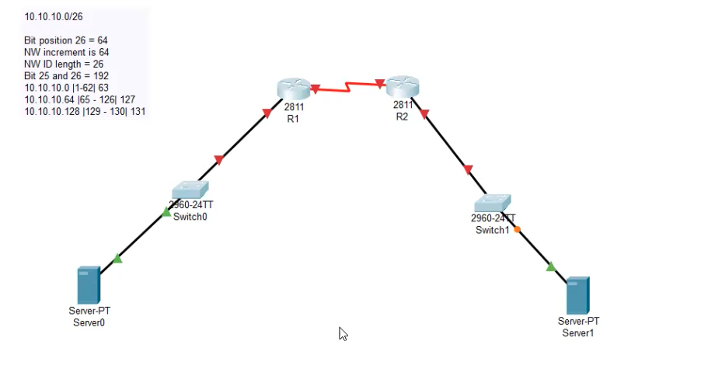

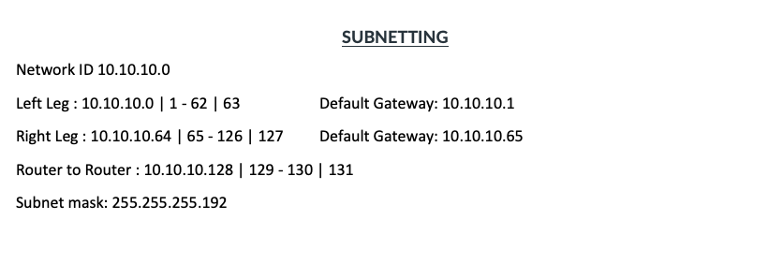

LEFT |  | RIGHT
SERVER |  | SERVER
IP CONFIGURATION | COMMAND | IP CONFIGURATION | COMMAND
IPv4 Address | 10.10.10.2 | IPv4 Address | 10.10.10.66
Subnet Mask | 255.255.255.192 | Subnet Mask | 255.255.255.192
Default Gateway | 10.10.10.1 | Default Gateway | 10.10.10.65

ROUTER |  | ROUTER
CLI INTERFACE | COMMAND | CLI INTERFACE | COMMAND
Router> | en | Router> | en
Router# | config t | Router# | config t
Router(config) # | int f0/0 | Router(config) # | int f0/0
Router(config-subif) # | ip addr 10.10.10.1 255.255.255.192 | Router(config-subif) # | ip addr 10.10.10.65 255.255.255.192
Router(config-subif) # | no sh | Router(config-subif) # | no sh
Router(config-if) # | int s0/0/0 | Router(config-if) # | int s0/0/0
Router(config-if) # | ip addr 10.10.10.129 255.255.255.252 | Router(config-if) # | ip addr 10.10.10.130 255.255.255.252
Router(config-if) # | no sh | Router(config-if) # | no sh
Router> | en | Router> | en
Router# | config t | Router# | config t
Router(config) # | ip route 10.10.10.64 255.255.255.192 10.10.10.130 | Router(config) # | ip route 10.10.10.0 255.255.255.192 10.10.10.129
 | **ping |  | **ping

ACL
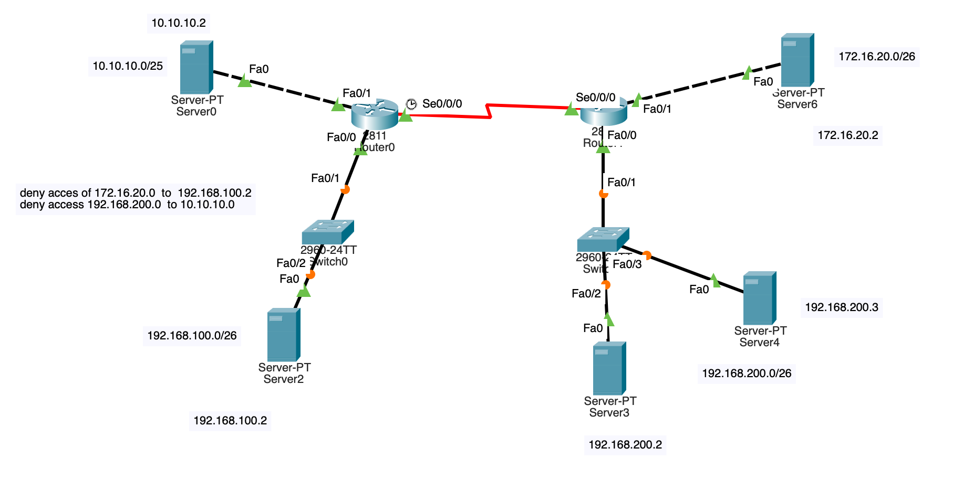

Router0 Router>en
Router0 Router#config t
Router0 Router(config)#ip access-list extended 100
Router0 Router(config-ext-nacl)#deny ip host 172.16.20.2 host 192.168.100.2
Router0 Router(config-ext-nacl)#permit ip any any
Router0 Router(config-ext-nacl)#int s0/0/0
Router0 Router(config-if)#ip access-group 100 in

Router1 Router>en
Router1 Router#config t
Router1 Router(config)#ip access-list extended 101
Router1 Router(config-ext-nacl)#deny ip host 192.168.200.2 host 10.10.10.2
Router1 Router(config-ext-nacl)#deny ip host 192.168.200.3 host 10.10.10.2
Router1 Router(config-ext-nacl)#permit ip any any
Router1 Router(config-ext-nacl)#int s0/0/0
Router1 Router(config-if)#ip access-group 101 in
Router1 Router(config-if)#exit
Router1 Router(config)#ip access-list extended 101
Router1 Router(config-ext-nacl)#deny ip host 192.168.200.2 host 10.10.10.2
Router1 Router(config-ext-nacl)#deny ip host 192.168.200.3 host 10.10.10.2
Router1 Router(config-ext-nacl)#permit ip any any
Router1 Router(config-ext-nacl)#int f0/0
Router1 Router(config-if)#ip access-group 101 in

NAT
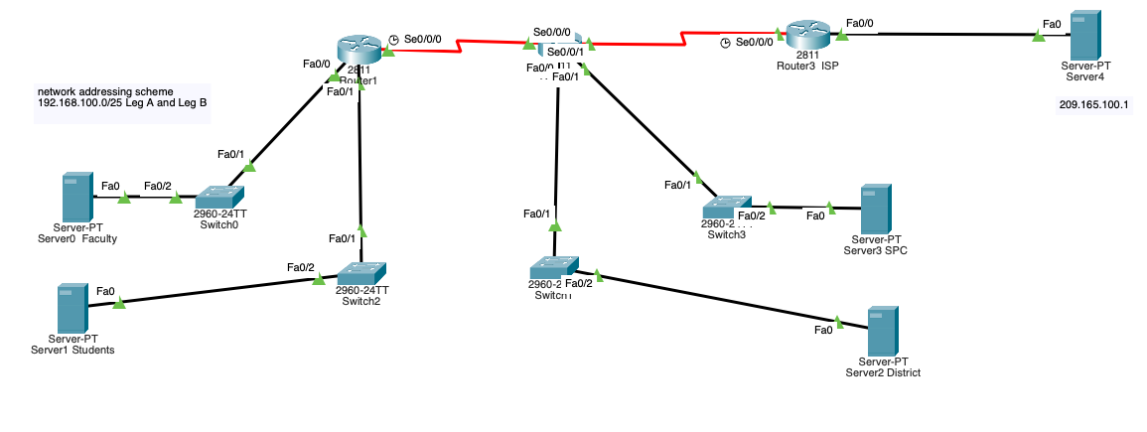

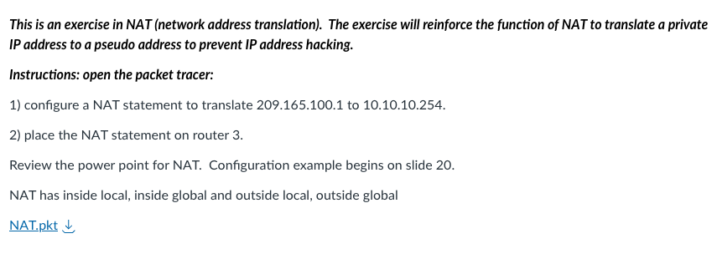

Router3 ISP Router>en
Router3 ISP Router#config t
Router3 ISP Router(config)#ip nat inside source static 209.165.100.1 10.10.10.254
Router3 ISP Router(config)#int f0/0
Router3 ISP Router(config-if)#ip nat outside

EIGRP
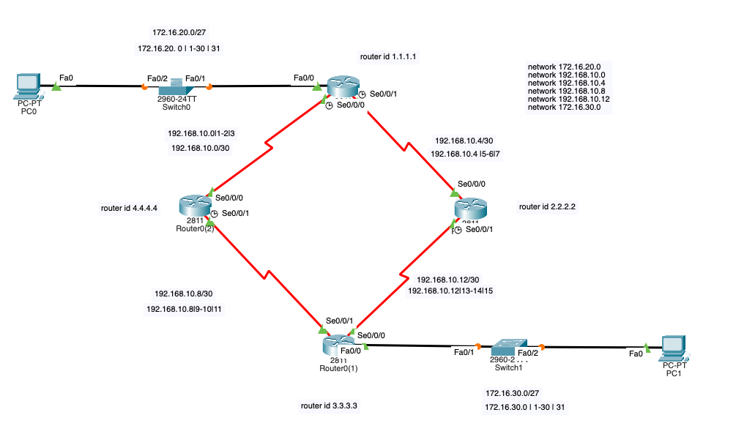

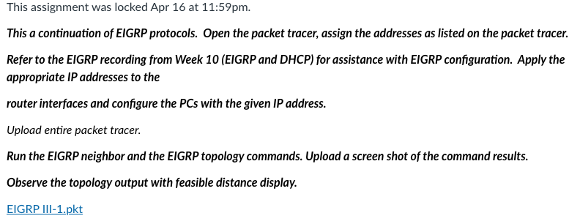

Tue Mar 8 23:51:46 2022 Switch0 Switch>en
Tue Mar 8 23:51:49 2022 Switch0 Switch#conf t
Tue Mar 8 23:51:54 2022 Switch0 Switch(config)#vlan 50
Tue Mar 8 23:51:57 2022 Switch0 Switch(config-vlan)#name IT
Tue Mar 8 23:52:01 2022 Switch0 Switch(config-vlan)#int vlan 50
Tue Mar 8 23:52:18 2022 Switch0 Switch(config)#ip addr 10.10.10.3 255.255.255.224
Tue Mar 8 23:52:27 2022 Switch0 Switch(config)#int vlan 50
Tue Mar 8 23:52:33 2022 Switch0 Switch(config-if)#ip addr 10.10.10.3 255.255.255.224
Tue Mar 8 23:52:38 2022 Switch0 Switch(config-if)#int f0/1
Tue Mar 8 23:52:44 2022 Switch0 Switch(config-if)#switchport mode trunk
Tue Mar 8 23:52:48 2022 Switch0 Switch(config-if)#int f0/2
Tue Mar 8 23:53:04 2022 Switch0 Switch(config-if)#switchport access vlan 50
Tue Mar 8 23:53:13 2022 Switch0 Switch#sh run

Tue Mar 8 23:53:30 2022 Router1 Router>en
Tue Mar 8 23:53:33 2022 Router1 Router#conf t
Tue Mar 8 23:53:39 2022 Router1 Router(config)#int f0/0.50
Tue Mar 8 23:53:46 2022 Router1 Router(config-subif)#encapsulation dot1q 50
Tue Mar 8 23:53:56 2022 Router1 Router(config-subif)#ip addr 10.10.10.1 255.255.255.224
Tue Mar 8 23:54:01 2022 Router1 Router(config-subif)#int f0/0
Tue Mar 8 23:54:03 2022 Router1 Router(config-if)#no sh
Tue Mar 8 23:54:10 2022 Router1 Router(config-if)#int s0/0/0
Tue Mar 8 23:54:24 2022 Router1 Router(config-if)#ip addr 10.10.10.33 255.255.255.252
Tue Mar 8 23:54:25 2022 Router1 Router(config-if)#no sh

Tue Mar 8 23:54:34 2022 Switch1 Switch>en
Tue Mar 8 23:54:36 2022 Switch1 Switch#conf t
Tue Mar 8 23:54:45 2022 Switch1 Switch(config)#vlan 60
Tue Mar 8 23:54:50 2022 Switch1 Switch(config-vlan)#name staff
Tue Mar 8 23:54:56 2022 Switch1 Switch(config-vlan)#int vlan 60
Tue Mar 8 23:55:09 2022 Switch1 Switch(config-if)#ip addr 172.16.10.3 255.255.255.128
Tue Mar 8 23:55:13 2022 Switch1 Switch(config-if)#int f0/1
Tue Mar 8 23:55:18 2022 Switch1 Switch(config-if)#switchport mode trunk
Tue Mar 8 23:55:23 2022 Switch1 Switch(config-if)#int f0/2
Tue Mar 8 23:55:31 2022 Switch1 Switch(config-if)#switchport access vlan 60

Tue Mar 8 23:55:42 2022 Router2 Router>en
Tue Mar 8 23:55:44 2022 Router2 Router#conf t
Tue Mar 8 23:55:48 2022 Router2 Router(config)#int f0/0.60
Tue Mar 8 23:55:56 2022 Router2 Router(config-subif)#encapsulation dot1Q 60
Tue Mar 8 23:56:14 2022 Router2 Router(config-subif)#ip addr 10.10.10.34 255.255.255.252
Tue Mar 8 23:56:17 2022 Router2 Router(config-subif)#no sh
Tue Mar 8 23:56:26 2022 Router2 Router(config-subif)#encapsulation dot1Q 60
Tue Mar 8 23:56:43 2022 Router2 Router(config-subif)#ip addr 172.16.10.1 255.255.255.128
Tue Mar 8 23:56:49 2022 Router2 Router(config-subif)#int f0/0
Tue Mar 8 23:56:54 2022 Router2 Router(config-if)#no sh
Tue Mar 8 23:56:59 2022 Router2 Router(config-if)#int s0/0/0
Tue Mar 8 23:57:06 2022 Router2 Router(config-if)#ip addr 10.10.10.34 255.255.255.252
Tue Mar 8 23:57:08 2022 Router2 Router(config-if)#no sh
Tue Mar 8 23:57:18 2022 Router2 Router(config-if)#router ospf 1
Tue Mar 8 23:57:32 2022 Router2 Router(config-router)#network 172.16.10.0 255.255.255.0 area 0
Tue Mar 8 23:57:53 2022 Router2 Router(config-router)#network 10.10.10.0 255.255.255.0 area 0
Tue Mar 8 23:58:05 2022 Router1 Router(config-if)#router ospf 1
Tue Mar 8 23:58:17 2022 Router1 Router(config-router)#network 10.10.10.0 255.255.255.0 area 0
Tue Mar 8 23:58:35 2022 Router1 Router(config-router)#network 172.16.10.0 255.255.255.0 area 0

Tue Mar 8 23:58:41 2022 Router1 Router#sh ip route
Tue Mar 8 23:58:57 2022 Router2 Router#sh ip route

Wed Mar 9 00:13:13 2022 Multilayer Switch1 Switch>em
Wed Mar 9 00:13:23 2022 Multilayer Switch1 Switch>en
Wed Mar 9 00:13:26 2022 Multilayer Switch1 Switch#conf t
Wed Mar 9 00:13:37 2022 Multilayer Switch1 Switch(config)#vlan 50
Wed Mar 9 00:13:48 2022 Multilayer Switch1 Switch(config-vlan)#int vlan 50
Wed Mar 9 00:14:19 2022 Multilayer Switch1 Switch(config-if)#ip addr 10.10.10.1 255.255.255.224
Wed Mar 9 00:14:52 2022 Multilayer Switch1 Switch(config-if)#exit
Wed Mar 9 00:14:57 2022 Multilayer Switch1 Switch(config)#vlan 60
Wed Mar 9 00:15:04 2022 Multilayer Switch1 Switch(config-vlan)#int vlan 60
Wed Mar 9 00:15:22 2022 Multilayer Switch1 Switch(config-if)#ip addr 172.16.10.1 255.255.255.128
Wed Mar 9 00:15:32 2022 Multilayer Switch1 Switch#sh run

Wed Mar 9 00:15:57 2022 Switch0 Switch>en
Wed Mar 9 00:15:58 2022 Switch0 Switch#conf t
Wed Mar 9 00:16:06 2022 Switch0 Switch(config)#ip default-gateway 10.10.10.1

Wed Mar 9 00:16:33 2022 Switch1 Switch>en
Wed Mar 9 00:16:37 2022 Switch1 Switch#conf t
Wed Mar 9 00:16:46 2022 Switch1 Switch(config)#ip default-gateway 172.16.10.1

Wed Mar 9 00:17:24 2022 Multilayer Switch1 Switch#conf t
Wed Mar 9 00:17:33 2022 Multilayer Switch1 Switch(config)#int f0/1
Wed Mar 9 00:17:41 2022 Multilayer Switch1 Switch(config-if)#switchport mode trunk
Wed Mar 9 00:17:46 2022 Multilayer Switch1 Switch(config-if)#int f0/2
Wed Mar 9 00:17:48 2022 Multilayer Switch1 Switch(config-if)#switchport mode trunk
Wed Mar 9 00:18:21 2022 Multilayer Switch1 Switch#conf t
Wed Mar 9 00:18:24 2022 Multilayer Switch1 Switch(config)#vlan 50
Wed Mar 9 00:18:27 2022 Multilayer Switch1 Switch(config-vlan)#no sh
Wed Mar 9 00:18:44 2022 Multilayer Switch1 Switch#sh vlan
Wed Mar 9 00:19:04 2022 Multilayer Switch1 Switch#sh int trunk
Wed Mar 9 00:19:38 2022 Multilayer Switch1 Switch#sh run
Wed Mar 9 00:21:41 2022 Multilayer Switch1 Switch#conf t
Wed Mar 9 00:21:46 2022 Multilayer Switch1 Switch(config)#int f0/1
Wed Mar 9 00:21:51 2022 Multilayer Switch1 Switch(config-if)#no switchport
Wed Mar 9 00:21:56 2022 Multilayer Switch1 Switch(config-if)#int f0/2
Wed Mar 9 00:21:57 2022 Multilayer Switch1 Switch(config-if)#no switchport
Wed Mar 9 00:24:07 2022 Multilayer Switch1 Switch(config-if)#int f0/1
Wed Mar 9 00:24:10 2022 Multilayer Switch1 Switch(config-if)#switchport
Wed Mar 9 00:24:31 2022 Multilayer Switch1 Switch(config-if)#int f0/2
Wed Mar 9 00:24:33 2022 Multilayer Switch1 Switch(config-if)#switchport
Wed Mar 9 00:25:18 2022 Multilayer Switch1 Switch(config-if)#do sh ip int br
Wed Mar 9 00:25:37 2022 Multilayer Switch1 Switch(config-if)#do sh run
Wed Mar 9 00:25:58 2022 Multilayer Switch1 Switch(config-if)#exit
Wed Mar 9 00:26:45 2022 Multilayer Switch1 Switch(config)#en
Wed Mar 9 00:26:52 2022 Multilayer Switch1 Switch(config)#int f0/1
Wed Mar 9 00:26:57 2022 Multilayer Switch1 Switch(config-if)#switchport ?
Wed Mar 9 00:27:13 2022 Multilayer Switch1 Switch(config-if)#switchport trunk ?
Wed Mar 9 00:27:28 2022 Multilayer Switch1 Switch(config-if)#switchport trunk allowed ?
Wed Mar 9 00:27:37 2022 Multilayer Switch1 Switch(config-if)#switchport trunk
Wed Mar 9 00:27:42 2022 Multilayer Switch1 Switch(config-if)#switchport trunk all
Wed Mar 9 00:27:49 2022 Multilayer Switch1 Switch(config-if)#switchport trunk ?
Wed Mar 9 00:27:55 2022 Multilayer Switch1 Switch(config-if)#switchport trunk vlan ?
Wed Mar 9 00:28:03 2022 Multilayer Switch1 Switch(config-if)#switchport trunk allowed ?
Wed Mar 9 00:28:07 2022 Multilayer Switch1 Switch(config-if)#switchport trunk allowed vlan ?
Wed Mar 9 00:28:10 2022 Multilayer Switch1 Switch(config-if)#switchport trunk allowed vlan all
Wed Mar 9 00:28:16 2022 Multilayer Switch1 Switch(config-if)#int f0/2
Wed Mar 9 00:28:20 2022 Multilayer Switch1 Switch(config-if)#switchport trunk allowed vlan all
Wed Mar 9 00:28:50 2022 Multilayer Switch1 Switch#sh run
Wed Mar 9 00:29:14 2022 Multilayer Switch1 Switch#sh int trunk
Wed Mar 9 00:29:38 2022 Multilayer Switch1 Switch#sh run
Wed Mar 9 00:29:57 2022 Multilayer Switch1 Switch#conf t
Wed Mar 9 00:30:01 2022 Multilayer Switch1 Switch(config)#vlan 60
Wed Mar 9 00:30:09 2022 Multilayer Switch1 Switch(config-vlan)#int vlan 60
Wed Mar 9 00:30:21 2022 Multilayer Switch1 Switch(config-if)#ip addr 172.16.10.1 255.255.255.128
Wed Mar 9 00:30:28 2022 Multilayer Switch1 Switch(config-if)#vlan 50
Wed Mar 9 00:30:44 2022 Multilayer Switch1 Switch(config-vlan)#ip addr 10.10.10.1 255.255.255.224
Wed Mar 9 00:30:53 2022 Multilayer Switch1 Switch(config-vlan)#int vlan 50
Wed Mar 9 00:30:56 2022 Multilayer Switch1 Switch(config-if)#ip addr 10.10.10.1 255.255.255.224
Wed Mar 9 00:31:09 2022 Multilayer Switch1 Switch#sh run
Wed Mar 9 00:31:35 2022 Multilayer Switch1 Switch#conf t
Wed Mar 9 00:31:40 2022 Multilayer Switch1 Switch(config)#int vlan 50
Wed Mar 9 00:31:42 2022 Multilayer Switch1 Switch(config-if)#no sh
Wed Mar 9 00:31:56 2022 Multilayer Switch1 Switch(config-if)#exit
Wed Mar 9 00:32:01 2022 Multilayer Switch1 Switch(config)#vlan 50
Wed Mar 9 00:32:04 2022 Multilayer Switch1 Switch(config-vlan)#no sh
Wed Mar 9 00:32:10 2022 Multilayer Switch1 Switch(config-vlan)#int vlan 50
Wed Mar 9 00:32:22 2022 Multilayer Switch1 Switch(config-if)#int f0/1
Wed Mar 9 00:35:11 2022 Multilayer Switch1 Switch#conf t
Wed Mar 9 00:35:16 2022 Multilayer Switch1 Switch(config)#router ospf 1
Wed Mar 9 00:35:29 2022 Multilayer Switch1 Switch(config)#ip routing

Wed Mar 9 06:13:59 2022 Server1 C:\>clear
Wed Mar 9 06:14:06 2022 Server1 C:\>clear terminal

Wed Mar 9 06:40:35 2022 Multilayer Switch3 Switch>en
Wed Mar 9 06:40:37 2022 Multilayer Switch3 Switch#conf t
Wed Mar 9 06:40:41 2022 Multilayer Switch3 Switch(config)#ip routing
Wed Mar 9 06:41:02 2022 Multilayer Switch3 Switch(config)#vlan 50
Wed Mar 9 06:41:07 2022 Multilayer Switch3 Switch(config-vlan)#int vlan 50
Wed Mar 9 06:41:24 2022 Multilayer Switch3 Switch(config-if)#ip addr 10.10.10.1 255.255.255.224
Wed Mar 9 06:41:37 2022 Multilayer Switch3 Switch(config-if)#vlan 60
Wed Mar 9 06:41:43 2022 Multilayer Switch3 Switch(config-vlan)#int vlan 60
Wed Mar 9 06:42:02 2022 Multilayer Switch3 Switch(config-if)#ip addr 172.16.10.1 255.255.255.128

Wed Mar 9 06:42:24 2022 Switch0 Switch>en
Wed Mar 9 06:42:26 2022 Switch0 Switch#conf t
Wed Mar 9 06:42:35 2022 Switch0 Switch(config)#ip default-gateway 10.10.10.1
Wed Mar 9 06:42:59 2022 Switch1 Switch>en
Wed Mar 9 06:43:03 2022 Switch1 Switch#conf t
Wed Mar 9 06:43:15 2022 Switch1 Switch(config)#ip default-gateway 172.16.10.1

Wed Mar 9 06:44:29 2022 Multilayer Switch3 Switch(config-if)#int f0/2
Wed Mar 9 06:44:33 2022 Multilayer Switch3 Switch(config-if)#switchport ?
Wed Mar 9 06:44:38 2022 Multilayer Switch3 Switch(config-if)#switchport trunk ?
Wed Mar 9 06:44:43 2022 Multilayer Switch3 Switch(config-if)#switchport trunk allowed ?
Wed Mar 9 06:44:50 2022 Multilayer Switch3 Switch(config-if)#switchport trunk allowed vlan all
Wed Mar 9 06:45:01 2022 Multilayer Switch3 Switch(config-if)#int f0/1
Wed Mar 9 06:45:04 2022 Multilayer Switch3 Switch(config-if)#switchport trunk allowed vlan all
Wed Mar 9 06:47:12 2022 Multilayer Switch3 Switch(config-if)#exit
Wed Mar 9 06:47:18 2022 Multilayer Switch3 Switch(config)#router ospf 1
Wed Mar 9 06:47:37 2022 Multilayer Switch3 Switch(config-router)#network 10.10.10.0 255.255.255.0 area 0
Wed Mar 9 06:47:52 2022 Multilayer Switch3 Switch(config-router)#network 172.16.10.0 255.255.255.0 area 0
Wed Mar 9 06:49:25 2022 Multilayer Switch3 Switch(config-router)#Z
Wed Mar 9 06:49:32 2022 Multilayer Switch3 Switch#sh vlan
Wed Mar 9 06:49:53 2022 Multilayer Switch3 Switch#conf t

Wed Mar 9 08:42:03 2022 Router2 Router>en
Wed Mar 9 08:42:07 2022 Router2 Router#sh run

Wed Mar 9 08:42:22 2022 Router1 Router>en
Wed Mar 9 08:42:24 2022 Router1 Router#sh run
Wed Mar 9 08:42:37 2022 Router1 Router#clear ip ospf process

Wed Mar 9 11:14:47 2022 Switch0 Switch>en
Wed Mar 9 11:14:51 2022 Switch0 Switch#conf t
Wed Mar 9 11:14:56 2022 Switch0 Switch(config)#vlan 50
Wed Mar 9 11:14:58 2022 Switch0 Switch(config-vlan)#name IT
Wed Mar 9 11:15:03 2022 Switch0 Switch(config-vlan)#int vlan 50
Wed Mar 9 11:15:16 2022 Switch0 Switch(config-if)#ip address 10.10.10.3 255.255.255.224
Wed Mar 9 11:15:21 2022 Switch0 Switch(config-if)#int f0/1
Wed Mar 9 11:15:26 2022 Switch0 Switch(config-if)#switchport mode trunk
Wed Mar 9 11:15:33 2022 Switch0 Switch(config-if)#int f0/2
Wed Mar 9 11:15:42 2022 Switch0 Switch(config-if)#switchport access vlan 50

Wed Mar 9 11:15:57 2022 Router1 Router>en
Wed Mar 9 11:15:59 2022 Router1 Router#conf t
Wed Mar 9 11:16:07 2022 Router1 Router(config)#int f0/0.50
Wed Mar 9 11:16:12 2022 Router1 Router(config-subif)#encapsulation dot1Q 50
Wed Mar 9 11:16:26 2022 Router1 Router(config-subif)#ip addr 10.10.10.1 255.255.255.224
Wed Mar 9 11:16:29 2022 Router1 Router(config-subif)#int f0/0
Wed Mar 9 11:16:33 2022 Router1 Router(config-if)#no sh
Wed Mar 9 11:16:41 2022 Router1 Router(config-if)#int s0/0/0
Wed Mar 9 11:16:59 2022 Router1 Router(config-if)#ip addr 10.10.10.33 255.255.255.252
Wed Mar 9 11:17:01 2022 Router1 Router(config-if)#no sh

Wed Mar 9 11:17:35 2022 Switch1 Switch>en
Wed Mar 9 11:17:38 2022 Switch1 Switch#conf t
Wed Mar 9 11:17:41 2022 Switch1 Switch(config)#vlan 60
Wed Mar 9 11:17:45 2022 Switch1 Switch(config-vlan)#name staff
Wed Mar 9 11:17:49 2022 Switch1 Switch(config-vlan)#int vlan 60
Wed Mar 9 11:18:01 2022 Switch1 Switch(config-if)#ip addr 172.16.10.3 255.255.255.128
Wed Mar 9 11:18:07 2022 Switch1 Switch(config-if)#int f0/1
Wed Mar 9 11:18:13 2022 Switch1 Switch(config-if)#switchport mode trunk
Wed Mar 9 11:18:18 2022 Switch1 Switch(config-if)#int f0/2
Wed Mar 9 11:18:28 2022 Switch1 Switch(config-if)#switchport access vlan 60

Wed Mar 9 11:18:43 2022 Router2 Router>en
Wed Mar 9 11:18:45 2022 Router2 Router#conf t
Wed Mar 9 11:18:54 2022 Router2 Router(config)#int f0/0.60
Wed Mar 9 11:18:59 2022 Router2 Router(config-subif)#encapsulation dot1Q 60
Wed Mar 9 11:19:11 2022 Router2 Router(config-subif)#ip addr 172.16.10.1 255.255.255.128
Wed Mar 9 11:19:16 2022 Router2 Router(config-subif)#int f0/0
Wed Mar 9 11:19:18 2022 Router2 Router(config-if)#no sh
Wed Mar 9 11:19:24 2022 Router2 Router(config-if)#int s0/0/0
Wed Mar 9 11:19:39 2022 Router2 Router(config-if)#ip addr 10.10.10.34 255.255.255.252
Wed Mar 9 11:19:40 2022 Router2 Router(config-if)#no sh
Wed Mar 9 11:19:47 2022 Router2 Router(config-if)#router op
Wed Mar 9 11:19:50 2022 Router2 Router(config-if)#router ospf 1
Wed Mar 9 11:20:03 2022 Router2 Router(config-router)#network 10.10.10.0 255.255.255.0 area 0
Wed Mar 9 11:20:19 2022 Router2 Router(config-router)#network 172.16.10.0 255.255.255.0 area 0

Wed Mar 9 11:20:39 2022 Router1 Router(config-if)#router ospf 1
Wed Mar 9 11:20:43 2022 Router1 Router(config-router)#network 10.10.10.0 255.255.255.0 area 0
Wed Mar 9 11:21:01 2022 Router1 Router(config-router)#network 172.16.10.0 255.255.255.0 area 0

Thu Apr 6 22:46:54 2023 Switch0 Switch>en
Thu Apr 6 22:46:56 2023 Switch0 Switch#config t
Thu Apr 6 22:50:21 2023 Switch0 Switch(config)#vlan 1
Thu Apr 6 22:50:31 2023 Switch0 Switch(config-vlan)#int vlan1
Thu Apr 6 22:51:14 2023 Switch0 Switch(config-if)#ip default-gateway 172.16.20.1
Thu Apr 6 22:51:32 2023 Switch0 Switch(config)#int f0/2
Thu Apr 6 22:51:49 2023 Switch0 Switch(config-if)#switchport access vlan 1
Thu Apr 6 22:52:04 2023 Switch0 Switch(config-if)#int f0/1
Thu Apr 6 22:52:16 2023 Switch0 Switch(config-if)#switchport mode trunk

Thu Apr 6 22:53:49 2023 Router0 Router>en
Thu Apr 6 22:53:52 2023 Router0 Router#config t
Thu Apr 6 22:54:49 2023 Router0 Router(config)#int f0/0
Thu Apr 6 22:55:06 2023 Router0 Router(config-if)#ip addr 172.16.20.1 255.255.255.224
Thu Apr 6 22:55:08 2023 Router0 Router(config-if)#no sh

Thu Apr 6 22:57:56 2023 Switch1 Switch>en
Thu Apr 6 22:57:58 2023 Switch1 Switch#config t
Thu Apr 6 22:58:08 2023 Switch1 Switch(config)#vlan 1
Thu Apr 6 22:58:17 2023 Switch1 Switch(config-vlan)#int vlan1
Thu Apr 6 22:58:40 2023 Switch1 Switch(config-if)#ip default-gateway 172.16.30.1
Thu Apr 6 22:58:53 2023 Switch1 Switch(config)#int f0/2
Thu Apr 6 22:59:02 2023 Switch1 Switch(config-if)#switchport access vlan 1
Thu Apr 6 22:59:09 2023 Switch1 Switch(config-if)#int f0/1
Thu Apr 6 22:59:23 2023 Switch1 Switch(config-if)#switchport mode trunk
Thu Apr 6 22:59:31 2023 Switch1 Switch(config-if)#no sh

Thu Apr 6 23:00:11 2023 Router0(1) Router>en
Thu Apr 6 23:00:13 2023 Router0(1) Router#config t
Thu Apr 6 23:00:47 2023 Router0(1) Router(config)#int f0/0
Thu Apr 6 23:01:43 2023 Router0(1) Router(config-if)#ip addr 172.16.30.1 255.255.255.224
Thu Apr 6 23:01:50 2023 Router0(1) Router(config-if)#no sh

Thu Apr 6 23:07:41 2023 Router0 Router>en
Thu Apr 6 23:07:43 2023 Router0 Router#config t
Thu Apr 6 23:08:28 2023 Router0 Router(config)#int s0/0/0
Thu Apr 6 23:10:08 2023 Router0 Router(config-if)#ip addr 192.168.10.1 255.255.255.252
Thu Apr 6 23:10:13 2023 Router0 Router(config-if)#no sh
Thu Apr 6 23:11:11 2023 Router0 Router(config-if)#int s0/0/1
Thu Apr 6 23:11:39 2023 Router0 Router(config-if)#ip addr 192.168.10.5 255.255.255.252
Thu Apr 6 23:11:41 2023 Router0 Router(config-if)#no sh

Thu Apr 6 23:12:28 2023 Router0(3) Router>en
Thu Apr 6 23:12:30 2023 Router0(3) Router#config t
Thu Apr 6 23:12:56 2023 Router0(3) Router(config)#int s0/0/0
Thu Apr 6 23:13:17 2023 Router0(3) Router(config-if)#ip addr 192.168.10.6 255.255.255.252
Thu Apr 6 23:13:18 2023 Router0(3) Router(config-if)#no sh
Thu Apr 6 23:13:42 2023 Router0(3) Router(config-if)#int s0/0/1
Thu Apr 6 23:14:13 2023 Router0(3) Router(config-if)#ip addr 192.168.10.14 255.255.255.252
Thu Apr 6 23:14:15 2023 Router0(3) Router(config-if)#no sh

Thu Apr 6 23:14:36 2023 Router0(1) Router>en
Thu Apr 6 23:14:38 2023 Router0(1) Router#config t
Thu Apr 6 23:14:42 2023 Router0(1) Router(config)#int s0/0/0
Thu Apr 6 23:15:17 2023 Router0(1) Router(config-if)#ip addr 192.168.10.13 255.255.255.252
Thu Apr 6 23:15:19 2023 Router0(1) Router(config-if)#no sh
Thu Apr 6 23:15:39 2023 Router0(1) Router(config-if)#int s0/0/1
Thu Apr 6 23:16:54 2023 Router0(1) Router(config-if)#ip addr 192.168.10.10 255.255.255.252
Thu Apr 6 23:16:57 2023 Router0(1) Router(config-if)#no sh

Thu Apr 6 23:17:10 2023 Router0(2) Router>en
Thu Apr 6 23:17:12 2023 Router0(2) Router#config t
Thu Apr 6 23:17:32 2023 Router0(2) Router(config)#int s0/0/1
Thu Apr 6 23:17:58 2023 Router0(2) Router(config-if)#ip addr 192.168.10.9 255.255.255.252
Thu Apr 6 23:17:59 2023 Router0(2) Router(config-if)#no sh
Thu Apr 6 23:18:22 2023 Router0(2) Router(config-if)#int s0/0/0
Thu Apr 6 23:18:59 2023 Router0(2) Router(config-if)#ip addr 192.168.10.2 255.255.255.252
Thu Apr 6 23:19:02 2023 Router0(2) Router(config-if)#no sh

Thu Apr 6 23:32:28 2023 Router0 Router>en
Thu Apr 6 23:32:30 2023 Router0 Router#config t
Thu Apr 6 23:32:36 2023 Router0 Router(config)#router eigrp1
Thu Apr 6 23:32:45 2023 Router0 Router(config)#router eigrp 1
Thu Apr 6 23:33:08 2023 Router0 Router(config-router)#eigrp router-id 1.1.1.1
Thu Apr 6 23:33:28 2023 Router0 Router(config-router)#network 172.16.20.0
Thu Apr 6 23:33:43 2023 Router0 Router(config-router)#network 192.168.10.0
Thu Apr 6 23:33:55 2023 Router0 Router(config-router)#network 192.168.10.4
Thu Apr 6 23:33:58 2023 Router0 Router(config-router)#network 192.168.10.8
Thu Apr 6 23:34:02 2023 Router0 Router(config-router)#network 192.168.10.12
Thu Apr 6 23:34:26 2023 Router0 Router(config-router)#network 172.16.30.0

Thu Apr 6 23:35:35 2023 Router0(3) Router>en
Thu Apr 6 23:35:39 2023 Router0(3) Router#config t
Thu Apr 6 23:35:51 2023 Router0(3) Router(config)#router eigrp 1
Thu Apr 6 23:36:03 2023 Router0(3) Router(config-router)#eigrp router-id 2.2.2.2
Thu Apr 6 23:36:18 2023 Router0(3) Router(config-router)#network 172.16.20.0
Thu Apr 6 23:36:30 2023 Router0(3) Router(config-router)#network 192.168.10.0
Thu Apr 6 23:36:46 2023 Router0(3) Router(config-router)#network 192.168.10.4
Thu Apr 6 23:36:49 2023 Router0(3) Router(config-router)#network 192.168.10.8
Thu Apr 6 23:36:55 2023 Router0(3) Router(config-router)#network 192.168.10.12
Thu Apr 6 23:37:05 2023 Router0(3) Router(config-router)#network 172.16.30.0

Thu Apr 6 23:37:42 2023 Router0(1) Router>en
Thu Apr 6 23:37:44 2023 Router0(1) Router#config t
Thu Apr 6 23:37:51 2023 Router0(1) Router(config)#router eigrp 1
Thu Apr 6 23:38:03 2023 Router0(1) Router(config-router)#eigrp router-id 3.3.3.3
Thu Apr 6 23:38:45 2023 Router0(1) Router(config-router)#network 172.16.20.0
Thu Apr 6 23:39:02 2023 Router0(1) Router(config-router)#network 192.168.10.0
Thu Apr 6 23:39:07 2023 Router0(1) Router(config-router)#network 192.168.10.4
Thu Apr 6 23:39:10 2023 Router0(1) Router(config-router)#network 192.168.10.8
Thu Apr 6 23:39:13 2023 Router0(1) Router(config-router)#network 192.168.10.12
Thu Apr 6 23:39:19 2023 Router0(1) Router(config-router)#network 172.16.30.0

Thu Apr 6 23:40:35 2023 Router0(2) Router>en
Thu Apr 6 23:40:37 2023 Router0(2) Router#config t
Thu Apr 6 23:40:53 2023 Router0(2) Router(config)#router eigrp 1
Thu Apr 6 23:41:07 2023 Router0(2) Router(config-router)#eigrp router-id 4.4.4.4
Thu Apr 6 23:41:22 2023 Router0(2) Router(config-router)#network 172.16.20.0
Thu Apr 6 23:41:32 2023 Router0(2) Router(config-router)#network 192.168.10.0
Thu Apr 6 23:41:37 2023 Router0(2) Router(config-router)#network 192.168.10.4
Thu Apr 6 23:41:41 2023 Router0(2) Router(config-router)#network 192.168.10.8
Thu Apr 6 23:41:46 2023 Router0(2) Router(config-router)#network 192.168.10.12
Thu Apr 6 23:41:54 2023 Router0(2) Router(config-router)#network 172.16.30.0

OSPF VLAN SUBNETTING
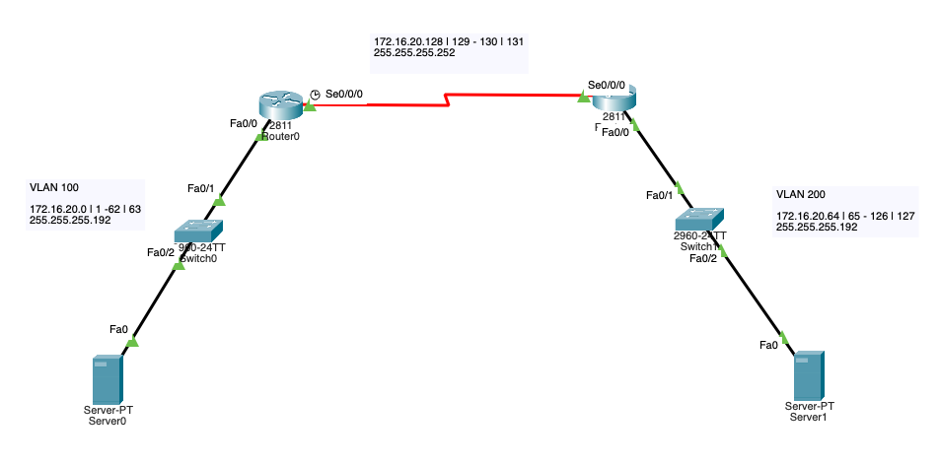

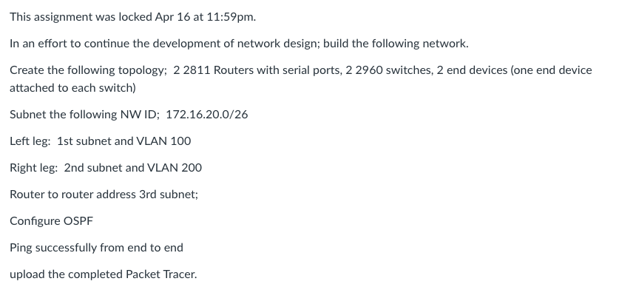

Wed Apr 5 21:12:25 2023 Switch0 Switch>en
Wed Apr 5 21:12:27 2023 Switch0 Switch#config t
Wed Apr 5 21:12:37 2023 Switch0 Switch(config)#vlan 100
Wed Apr 5 21:12:43 2023 Switch0 Switch(config-vlan)#name vlan100
Wed Apr 5 21:13:06 2023 Switch0 Switch(config-vlan)#int vlan 100
Wed Apr 5 21:13:43 2023 Switch0 Switch(config-if)#ip addr 172.16.20.3 255.255.255.192
Wed Apr 5 21:14:23 2023 Switch0 Switch(config-if)#ip default-gateway 172.16.10.1
Wed Apr 5 21:14:46 2023 Switch0 Switch(config)#int f0/2
Wed Apr 5 21:14:56 2023 Switch0 Switch(config-if)#switchport access vlan 100
Wed Apr 5 21:15:08 2023 Switch0 Switch(config-if)#int f0/1
Wed Apr 5 21:15:34 2023 Switch0 Switch(config-if)#swithport mode trunk
Wed Apr 5 21:15:46 2023 Switch0 Switch(config-if)#switchport mode trunk
Wed Apr 5 21:15:49 2023 Switch0 Switch(config-if)#no sh
Wed Apr 5 21:17:58 2023 Router0 Router>en
Wed Apr 5 21:17:59 2023 Router0 Router#config t
Wed Apr 5 21:18:11 2023 Router0 Router(config)#int f0/0
Wed Apr 5 21:18:59 2023 Router0 Router(config-if)#ip addr 172.16.20.1 255.255.255.192
Wed Apr 5 21:19:13 2023 Router0 Router(config-if)#int s0/0/0
Wed Apr 5 21:19:41 2023 Router0 Router(config-if)#ip addr 172.16.20.129 255.255.255.252
Wed Apr 5 21:19:47 2023 Router0 Router(config-if)#no sh
Wed Apr 5 21:20:38 2023 Router0 Router(config-if)#int f0/0
Wed Apr 5 21:20:40 2023 Router0 Router(config-if)#no sh
Wed Apr 5 21:27:16 2023 Switch1 Switch>en
Wed Apr 5 21:27:17 2023 Switch1 Switch#config t
Wed Apr 5 21:27:30 2023 Switch1 Switch(config)#vlan 200
Wed Apr 5 21:27:34 2023 Switch1 Switch(config-vlan)#name vlan200
Wed Apr 5 21:27:46 2023 Switch1 Switch(config-vlan)#int vlan200
Wed Apr 5 21:28:18 2023 Switch1 Switch(config-if)#ip addr 172.16.20.67 255.255.255.192
Wed Apr 5 21:28:35 2023 Switch1 Switch(config-if)#int f0/2
Wed Apr 5 21:28:53 2023 Switch1 Switch(config-if)#switchport access vlan 200
Wed Apr 5 21:29:07 2023 Switch1 Switch(config-if)#int f0/1
Wed Apr 5 21:29:17 2023 Switch1 Switch(config-if)#switchpor mode trunk
Wed Apr 5 21:29:21 2023 Switch1 Switch(config-if)#no sh
Wed Apr 5 21:30:47 2023 Switch1 Switch(config-if)#ip default-gateway 172.16.20.65
Wed Apr 5 21:31:19 2023 Router1 Router>en
Wed Apr 5 21:31:21 2023 Router1 Router#config t
Wed Apr 5 21:31:28 2023 Router1 Router(config)#int f0/0
Wed Apr 5 21:31:52 2023 Router1 Router(config-if)#ip addr 172.16.20.65 255.255.255.192
Wed Apr 5 21:31:58 2023 Router1 Router(config-if)#no sh
Wed Apr 5 21:32:13 2023 Router1 Router(config-if)#int s0/0/0
Wed Apr 5 21:33:01 2023 Router1 Router(config-if)#ip addr 172.16.20.130 255.255.255.252
Wed Apr 5 21:33:05 2023 Router1 Router(config-if)#no sh
Wed Apr 5 21:35:03 2023 Router0 Router>en
Wed Apr 5 21:35:05 2023 Router0 Router#config t
Wed Apr 5 21:35:12 2023 Router0 Router(config)#router ospf 1
Wed Apr 5 21:36:06 2023 Router0 Router(config-router)#network 172.16.20.0 255.255.255.0 area 0
Wed Apr 5 21:36:49 2023 Router1 Router(config-if)#en
Wed Apr 5 21:36:51 2023 Router1 Router(config)#exit
Wed Apr 5 21:36:54 2023 Router1 Router#en
Wed Apr 5 21:36:55 2023 Router1 Router#config t
Wed Apr 5 21:37:02 2023 Router1 Router(config)#router ospf 1
Wed Apr 5 21:37:26 2023 Router1 Router(config-router)#network 172.16.20.0 255.255.255.0 area 0
Wed Apr 5 21:48:19 2023 Router0 Router>en
Wed Apr 5 21:48:22 2023 Router0 Router#config t
Wed Apr 5 21:48:34 2023 Router0 Router(config)#int f0/0.100
Wed Apr 5 21:48:52 2023 Router0 Router(config-subif)#encapsulation dot1Q 100
Wed Apr 5 21:49:45 2023 Router0 Router(config-subif)#ip addr 172.16.20.1 255.255.255.192
Wed Apr 5 21:50:14 2023 Router0 Router(config-subif)#no ip addr
Wed Apr 5 21:53:15 2023 Router0 Router(config-subif)#ip addr 172.16.20.1 255.255.255.192
Wed Apr 5 21:53:31 2023 Router0 Router(config-subif)#exit
Wed Apr 5 21:53:36 2023 Router0 Router(config)#int f0/0
Wed Apr 5 21:53:40 2023 Router0 Router(config-if)#no ip addr
Wed Apr 5 21:53:51 2023 Router0 Router(config-if)#int f0/0.100
Wed Apr 5 21:54:11 2023 Router0 Router(config-subif)#ip addr 172.16.20.1 255.255.255.192
Wed Apr 5 21:54:23 2023 Router0 Router(config-subif)#exit
Wed Apr 5 21:54:25 2023 Router0 Router(config)#do show run
Wed Apr 5 21:55:10 2023 Router1 Router>en config t
Wed Apr 5 21:55:13 2023 Router1 Router>en
Wed Apr 5 21:55:15 2023 Router1 Router#config t
Wed Apr 5 21:55:41 2023 Router1 Router(config)#int f0/0
Wed Apr 5 21:55:45 2023 Router1 Router(config-if)#no ip addr
Wed Apr 5 21:55:50 2023 Router1 Router(config-if)#int f0/0.200
Wed Apr 5 21:56:28 2023 Router1 Router(config-subif)#ip addr 172.16.20.65 255.255.255.192
Wed Apr 5 21:57:21 2023 Router1 Router(config-subif)#int f0/0.200
Wed Apr 5 21:57:24 2023 Router1 Router(config-subif)#no ip addr
Wed Apr 5 21:58:01 2023 Router1 Router(config-subif)#encapsulation dot1Q 200
Wed Apr 5 21:58:51 2023 Router1 Router(config-subif)#ip addr 172.16.20.65 255.255.255.192
Wed Apr 5 21:59:22 2023 Router1 Router(config-subif)#int f0/0
Wed Apr 5 21:59:25 2023 Router1 Router(config-if)#no sh

SSH
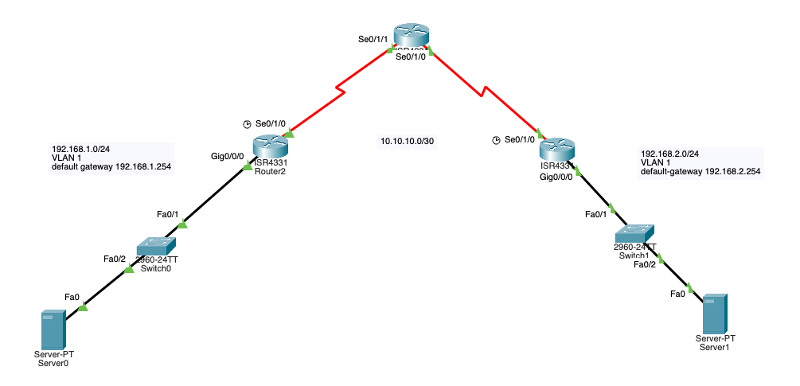

Wed Apr 5 14:35:14 2023 Switch0 Switch>en
Wed Apr 5 14:35:17 2023 Switch0 Switch#config t
Wed Apr 5 14:35:39 2023 Switch0 Switch(config)#vlan 1
Wed Apr 5 14:35:47 2023 Switch0 Switch(config-vlan)#name vlan1
Wed Apr 5 14:36:14 2023 Switch0 Switch(config-vlan)#int vlan1
Wed Apr 5 14:36:44 2023 Switch0 Switch(config-if)#ip addr 192.168.1.254 255.255.255.0
Wed Apr 5 14:38:25 2023 Switch1 Switch>en
Wed Apr 5 14:38:29 2023 Switch1 Switch#config t
Wed Apr 5 14:40:20 2023 Switch0 Switch(config-if)#int f0/2
Wed Apr 5 14:40:34 2023 Switch0 Switch(config-if)#switchport access vlan1
Wed Apr 5 14:40:38 2023 Switch0 Switch(config-if)#switchport access vlan 1
Wed Apr 5 14:40:44 2023 Switch0 Switch(config-if)#int f0/1
Wed Apr 5 14:41:16 2023 Switch0 Switch(config-if)#switchport mode trunk
Wed Apr 5 14:42:39 2023 Switch1 Switch(config)#vlan 1
Wed Apr 5 14:42:44 2023 Switch1 Switch(config-vlan)#name vlan1
Wed Apr 5 14:42:53 2023 Switch1 Switch(config-vlan)#int vlan1
Wed Apr 5 14:43:20 2023 Switch1 Switch(config-if)#ip addr 192.168.2.254 255.255.255.0
Wed Apr 5 14:43:31 2023 Switch1 Switch(config-if)#int f0/2
Wed Apr 5 14:43:49 2023 Switch1 Switch(config-if)#switchport access vlan 1
Wed Apr 5 14:43:56 2023 Switch1 Switch(config-if)#int f0/1
Wed Apr 5 14:44:03 2023 Switch1 Switch(config-if)#switchport mode trunk
Wed Apr 5 14:53:00 2023 Router2 Router>en
Wed Apr 5 14:53:02 2023 Router2 Router#config t
Wed Apr 5 14:54:35 2023 Router2 Router(config)#int g0/0/0
Wed Apr 5 14:55:27 2023 Router2 Router(config-if)#ip addr 192.168.1.1 255.255.255.0
Wed Apr 5 14:55:32 2023 Router2 Router(config-if)#no sh
Wed Apr 5 14:56:50 2023 Router3 Router>en
Wed Apr 5 14:56:56 2023 Router3 Router#config t
Wed Apr 5 14:57:23 2023 Router3 Router(config)#int g0/0/0
Wed Apr 5 14:57:44 2023 Router3 Router(config-if)#ip addr 192.168.2.1 255.255.255.0
Wed Apr 5 14:57:46 2023 Router3 Router(config-if)#no sh
Wed Apr 5 15:02:36 2023 Router2 Router(config-if)#router eigrp 1
Wed Apr 5 15:02:47 2023 Router2 Router(config-router)#eigrp router-id 1.1.1.1
Wed Apr 5 15:03:29 2023 Router2 Router(config-router)#network 192.168.1.0
Wed Apr 5 15:03:38 2023 Router2 Router(config-router)#network 192.168.2.0
Wed Apr 5 15:03:51 2023 Router2 Router(config-router)#no auto-summary
Wed Apr 5 15:05:36 2023 Router2 Router(config-router)#exit
Wed Apr 5 15:05:53 2023 Router2 Router(config)#copy running-config startup-config
Wed Apr 5 15:05:57 2023 Router2 Router(config)#exit
Wed Apr 5 15:06:30 2023 Router2 Router#copy running-config startup-config
Wed Apr 5 15:07:29 2023 Router3 Router(config-if)#router eigrp 1
Wed Apr 5 15:07:41 2023 Router3 Router(config-router)#eigrp router-id 2.2.2.2
Wed Apr 5 15:08:08 2023 Router3 Router(config-router)#network 192.168.2.0
Wed Apr 5 15:08:20 2023 Router3 Router(config-router)#network 192.168.1.0
Wed Apr 5 15:08:27 2023 Router3 Router(config-router)#no auto-summary
Wed Apr 5 15:08:36 2023 Router3 Router(config-router)#exit
Wed Apr 5 15:08:38 2023 Router3 Router(config)#exit
Wed Apr 5 15:08:59 2023 Router3 Router#copy running-config startup-config
Wed Apr 5 15:11:41 2023 Router0 Router>en
Wed Apr 5 15:11:44 2023 Router0 Router#config t
Wed Apr 5 15:12:46 2023 Router0 Router(config)#int s0/1/1
Wed Apr 5 15:14:27 2023 Router0 Router(config-if)#ip addr 10.10.10.1 255.255.255.252
Wed Apr 5 15:15:18 2023 Router0 Router(config-if)#exit
Wed Apr 5 15:15:22 2023 Router0 Router(config)#do show run
Wed Apr 5 15:16:53 2023 Router0 Router(config)#int s0/1/1
Wed Apr 5 15:19:50 2023 Router2 Router>en
Wed Apr 5 15:19:52 2023 Router2 Router#config t
Wed Apr 5 15:20:04 2023 Router2 Router(config)#int s0/1/0
Wed Apr 5 15:20:11 2023 Router2 Router(config-if)#no ip addr
Wed Apr 5 15:20:13 2023 Router2 Router(config-if)#no sh
Wed Apr 5 15:21:27 2023 Router0 Router(config-if)#exit
Wed Apr 5 15:21:32 2023 Router0 Router(config)#do show run
Wed Apr 5 15:22:10 2023 Router0 Router(config)#int s0/1/1
Wed Apr 5 15:22:17 2023 Router0 Router(config-if)#no ip addr
Wed Apr 5 15:22:25 2023 Router0 Router(config-if)#no sh
Wed Apr 5 15:22:33 2023 Router0 Router(config-if)#do show
Wed Apr 5 15:22:36 2023 Router0 Router(config-if)#do show run
Wed Apr 5 15:23:05 2023 Router0 Router(config-if)#int s0/1/0
Wed Apr 5 15:23:08 2023 Router0 Router(config-if)#no ip addr
Wed Apr 5 15:23:10 2023 Router0 Router(config-if)#no sh
Wed Apr 5 15:23:15 2023 Router0 Router(config-if)#do show run
Wed Apr 5 15:25:37 2023 Router0 Router(config-if)#int s0/1/1
Wed Apr 5 15:26:01 2023 Router0 Router(config-if)#ip addr 10.10.10.1 255.255.255.252
Wed Apr 5 15:26:13 2023 Router0 Router(config-if)#int s0/1/0
Wed Apr 5 15:26:31 2023 Router0 Router(config-if)#ip addr 10.10.10.5 255.255.255.252
Wed Apr 5 15:26:36 2023 Router0 Router(config-if)#no sh
Wed Apr 5 15:27:14 2023 Router2 Router(config-if)#int s0/1/0
Wed Apr 5 15:27:44 2023 Router2 Router(config-if)#ip addr 10.10.10.2 255.255.255.252
Wed Apr 5 15:27:52 2023 Router2 Router(config-if)#no sh
Wed Apr 5 15:28:00 2023 Router3 Router>en
Wed Apr 5 15:28:02 2023 Router3 Router#config t
Wed Apr 5 15:28:17 2023 Router3 Router(config)#int s0/1/0
Wed Apr 5 15:29:08 2023 Router3 Router(config-if)#ip addr 10.10.10.6 255.255.255.252
Wed Apr 5 15:29:10 2023 Router3 Router(config-if)#no sh
Wed Apr 5 15:37:26 2023 Router2 Router(config-if)#exit
Wed Apr 5 15:37:32 2023 Router2 Router(config)#router eigrp 1
Wed Apr 5 15:37:53 2023 Router2 Router(config-router)#eigrp router-id 1.1.1.1
Wed Apr 5 15:38:43 2023 Router2 Router(config-router)#network 10.10.10.0
Wed Apr 5 15:39:21 2023 Router2 Router(config-router)#network 192.168.1.0
Wed Apr 5 15:39:29 2023 Router2 Router(config-router)#no auto-summary
Wed Apr 5 15:39:31 2023 Router2 Router(config-router)#eixt
Wed Apr 5 15:39:33 2023 Router2 Router(config-router)#exit
Wed Apr 5 15:39:36 2023 Router2 Router(config)#exit
Wed Apr 5 15:39:50 2023 Router2 Router#copy running-config startup-config
Wed Apr 5 15:40:30 2023 Router2 Router#show run
Wed Apr 5 15:40:39 2023 Router2 Router#show run
Wed Apr 5 15:41:15 2023 Router3 Router>en
Wed Apr 5 15:41:29 2023 Router3 Router#config t
Wed Apr 5 15:41:52 2023 Router3 Router(config)#router eigrp 1
Wed Apr 5 15:42:04 2023 Router3 Router(config-router)#eigrp router-id 2.2.2.2
Wed Apr 5 15:42:23 2023 Router3 Router(config-router)#network 10.10.10.0
Wed Apr 5 15:42:50 2023 Router3 Router(config-router)#network 192.168.2.0
Wed Apr 5 15:43:25 2023 Router3 Router(config-router)#no auto-summary
Wed Apr 5 15:43:36 2023 Router3 Router(config-router)#exit
Wed Apr 5 15:43:39 2023 Router3 Router(config)#exit
Wed Apr 5 15:44:00 2023 Router3 Router#copy running-config startup-config
Wed Apr 5 15:44:05 2023 Router3 Router#no sh
Wed Apr 5 15:44:44 2023 Router0 Router>show run
Wed Apr 5 15:44:50 2023 Router0 Router>en
Wed Apr 5 15:44:53 2023 Router0 Router#show run
Wed Apr 5 15:45:09 2023 Router0 Router#en
Wed Apr 5 15:45:10 2023 Router0 Router#config t
Wed Apr 5 15:45:22 2023 Router0 Router(config)#router eigrp 1
Wed Apr 5 15:45:34 2023 Router0 Router(config-router)#network-id 3.3.3.3
Wed Apr 5 15:46:01 2023 Router0 Router(config-router)#eigrp router-id 3.3.3.3
Wed Apr 5 15:46:15 2023 Router0 Router(config-router)#network 10.10.10.0
Wed Apr 5 15:46:29 2023 Router0 Router(config-router)#network 192.168.1.0
Wed Apr 5 15:46:39 2023 Router0 Router(config-router)#network 192.168.2.0
Wed Apr 5 15:46:46 2023 Router0 Router(config-router)#no auto-summary
Wed Apr 5 15:46:48 2023 Router0 Router(config-router)#exit
Wed Apr 5 15:46:50 2023 Router0 Router(config)#exit
Wed Apr 5 15:47:03 2023 Router0 Router#copy running-config startup-config
Wed Apr 5 15:47:26 2023 Server0 C:\>192.168.2.2
Wed Apr 5 20:33:43 2023 Router2 Router>en
Wed Apr 5 20:33:45 2023 Router2 Router#config t
Wed Apr 5 20:34:29 2023 Router2 Router(config)#ip domain-name CCNA.com
Wed Apr 5 20:35:00 2023 Router2 Router(config)#username ricklopez secret password2023
Wed Apr 5 20:35:42 2023 Router2 Router(config)#crypto key generate rsa
Wed Apr 5 20:36:56 2023 Router2 Router(config)#hostname CiscoRouter1
Wed Apr 5 20:37:23 2023 Router2 CiscoRouter1(config)#crypto key generate rsa
Wed Apr 5 20:40:19 2023 Router2 CiscoRouter1(config)#login block-for 180 attempts 4 within 120
Wed Apr 5 20:40:29 2023 Router2 CiscoRouter1(config)#line vty 0 15
Wed Apr 5 20:40:35 2023 Router2 CiscoRouter1(config-line)#transport input ssh
Wed Apr 5 20:40:39 2023 Router2 CiscoRouter1(config-line)#login local
Wed Apr 5 20:42:19 2023 Router2 CiscoRouter1(config-line)#exec-timeout 6
Wed Apr 5 20:44:09 2023 Router2 CiscoRouter1(config-line)#exit
Wed Apr 5 20:44:11 2023 Router2 CiscoRouter1(config)#exit
Wed Apr 5 20:44:56 2023 Router2 CiscoRouter1#copy running start-config?
Wed Apr 5 20:45:29 2023 Router2 CiscoRouter1#copy running-config startup-config

VLAN EIGRP DHCP
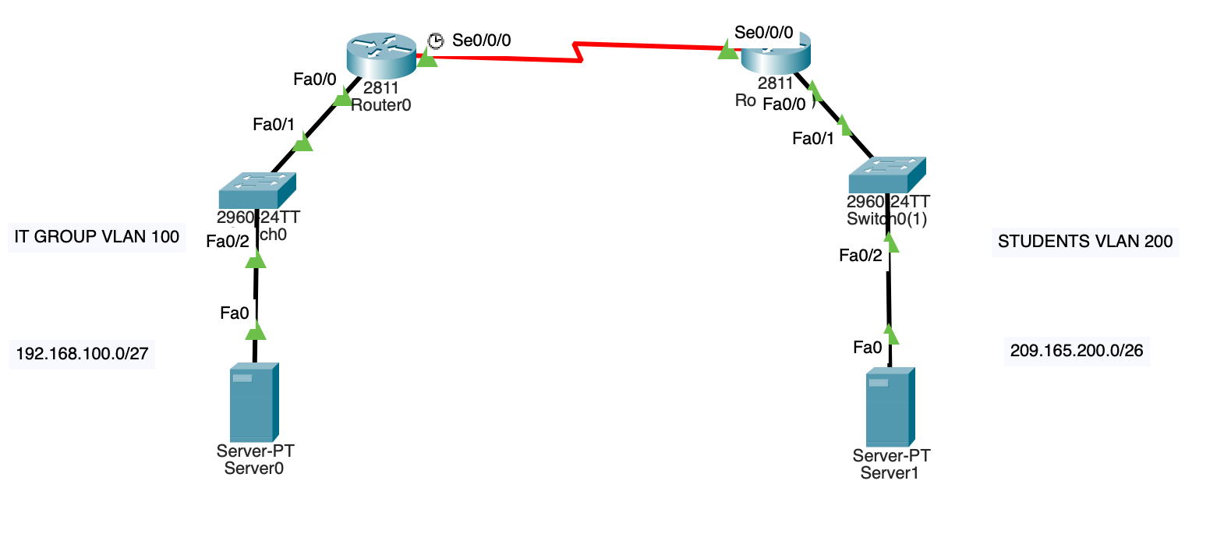
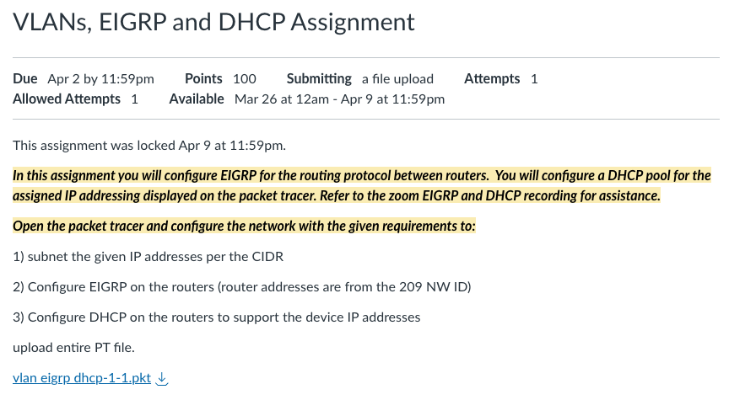

Mon Mar 27 22:49:26 2023 Switch0 Switch>en
Mon Mar 27 22:49:28 2023 Switch0 Switch#config t
Mon Mar 27 22:49:44 2023 Switch0 Switch(config)#vlan 100
Mon Mar 27 22:49:51 2023 Switch0 Switch(config-vlan)#name vlan100
Mon Mar 27 22:50:05 2023 Switch0 Switch(config-vlan)#int vlan 100
Mon Mar 27 22:50:45 2023 Switch0 Switch(config-if)#ip addr 192.168.100.3 255.255.255.224
Mon Mar 27 22:50:57 2023 Switch0 Switch(config-if)#int f0/2
Mon Mar 27 22:51:07 2023 Switch0 Switch(config-if)#switchport access vlan 100
Mon Mar 27 22:51:28 2023 Switch0 Switch(config-if)#int f0/1
Mon Mar 27 22:51:43 2023 Switch0 Switch(config-if)#switchport mode trunk
Mon Mar 27 22:52:12 2023 Switch0 Switch(config-if)#ip default-gateway 192.168.100.1
Mon Mar 27 22:52:26 2023 Router0 Router>en
Mon Mar 27 22:52:28 2023 Router0 Router#config t
Mon Mar 27 22:56:51 2023 Router0 Router(config)#int f0/0.100
Mon Mar 27 22:57:10 2023 Router0 Router(config-subif)#encapsulation dot1Q 100
Mon Mar 27 22:58:12 2023 Router0 Router(config-subif)#ip addr 192.168.100.1 255.255.255.224
Mon Mar 27 22:58:32 2023 Router0 Router(config-subif)#int f0/0
Mon Mar 27 22:58:35 2023 Router0 Router(config-if)#no sh
Mon Mar 27 23:00:17 2023 Router0 Router(config-if)#exit
Mon Mar 27 23:00:31 2023 Router0 Router(config)#ip dhcp pool vlan100
Mon Mar 27 23:01:55 2023 Router0 Router(dhcp-config)#network 192.168.100.0 255.255.255.224
Mon Mar 27 23:02:58 2023 Router0 Router(dhcp-config)#default-router 192.168.100.1
Mon Mar 27 23:03:11 2023 Router0 Router(dhcp-config)#exit
Mon Mar 27 23:07:29 2023 Router0 Router(config)#ip dhcp excluded-address 192.168.100.1 192.168.100.9
Mon Mar 27 23:12:35 2023 Switch0(1) Switch>en
Mon Mar 27 23:12:42 2023 Switch0(1) Switch#config t
Mon Mar 27 23:12:58 2023 Switch0(1) Switch(config)#vlan 200
Mon Mar 27 23:13:03 2023 Switch0(1) Switch(config-vlan)#name vlan200
Mon Mar 27 23:13:13 2023 Switch0(1) Switch(config-vlan)#int vlan 200
Mon Mar 27 23:13:44 2023 Switch0(1) Switch(config-if)#ip addr 209.165.200.3 255.255.255.291
Mon Mar 27 23:14:01 2023 Switch0(1) Switch(config-if)#ip addr 209.165.200.3 255.255.255.192
Mon Mar 27 23:14:07 2023 Switch0(1) Switch(config-if)#int f0/2
Mon Mar 27 23:14:17 2023 Switch0(1) Switch(config-if)#switchport access vlan 200
Mon Mar 27 23:14:32 2023 Switch0(1) Switch(config-if)#int f0/1
Mon Mar 27 23:14:40 2023 Switch0(1) Switch(config-if)#switchport mode trunk
Mon Mar 27 23:15:17 2023 Switch0(1) Switch(config-if)#ip default-gateway 209.165.200.1
Mon Mar 27 23:17:16 2023 Router0(1) Router>en
Mon Mar 27 23:17:17 2023 Router0(1) Router#config t
Mon Mar 27 23:17:25 2023 Router0(1) Router(config)#int f0/0.200
Mon Mar 27 23:17:48 2023 Router0(1) Router(config-subif)#encapsulation dot1Q 200
Mon Mar 27 23:19:01 2023 Router0(1) Router(config-subif)#ip addr 209.165.200.1 255.255.255.192
Mon Mar 27 23:19:32 2023 Router0(1) Router(config-subif)#int f0/0
Mon Mar 27 23:19:41 2023 Router0(1) Router(config-if)#no sh
Mon Mar 27 23:20:08 2023 Router0(1) Router(config-if)#exit
Mon Mar 27 23:20:31 2023 Router0(1) Router(config)#ip dhcp pool vlan200
Mon Mar 27 23:21:57 2023 Router0(1) Router(dhcp-config)#network 209.165.200.0 255.255.255.192
Mon Mar 27 23:22:07 2023 Router0(1) Router(dhcp-config)#exit
Mon Mar 27 23:23:48 2023 Router0(1) Router(config)#ip default-gateway 209.165.200.1
Mon Mar 27 23:25:20 2023 Router0(1) Router(config)#dhcp excluded-address 209.165.200.1 209.165.200.9
Mon Mar 27 23:26:03 2023 Router0(1) Router(config)#ip dhcp excluded-address 209.165.200.1 209.165.200.9
Mon Mar 27 23:33:41 2023 Router0 Router>en
Mon Mar 27 23:33:48 2023 Router0 Router#config t
Mon Mar 27 23:33:56 2023 Router0 Router(config)#int s0/0/0
Mon Mar 27 23:35:34 2023 Router0 Router(config-if)#ip addr 209.165.200.65 255.255.255.252
Mon Mar 27 23:35:41 2023 Router0 Router(config-if)#no sh
Mon Mar 27 23:36:48 2023 Router0(1) Router>en
Mon Mar 27 23:36:49 2023 Router0(1) Router#config t
Mon Mar 27 23:36:58 2023 Router0(1) Router(config)#int s0/0/0
Mon Mar 27 23:37:34 2023 Router0(1) Router(config-if)#ip addr 209.165.200.66 255.255.255.252
Mon Mar 27 23:37:40 2023 Router0(1) Router(config-if)#no sh
Mon Mar 27 23:38:59 2023 Router0(1) Router(config-if)#router eigrp 1
Mon Mar 27 23:39:25 2023 Router0(1) Router(config-router)#eigrp router-id 2.2.2.2
Mon Mar 27 23:40:06 2023 Router0(1) Router(config-router)#network 209.165.200.0
Mon Mar 27 23:40:25 2023 Router0(1) Router(config-router)#network 192.168.100.0
Mon Mar 27 23:41:57 2023 Router0 Router(config-if)#router eigrp 1
Mon Mar 27 23:42:10 2023 Router0 Router(config-router)#eigrp router-id 1.1.1.1
Mon Mar 27 23:42:24 2023 Router0 Router(config-router)#network 209.165.200.0
Mon Mar 27 23:42:38 2023 Router0 Router(config-router)#network 192.168.100.0
Mon Mar 27 23:48:35 2023 Router0(1) Router(config-router)#no auto-summary
Mon Mar 27 23:49:17 2023 Router0(1) Router(config-router)#exit
Mon Mar 27 23:49:21 2023 Router0(1) Router(config)#exit
Mon Mar 27 23:49:44 2023 Router0(1) Router#copy running-config startup-config
Mon Mar 27 23:50:20 2023 Router0(1) Router#reload
Mon Mar 27 23:51:47 2023 Router0(1) Router>sho ip route

Sheet7
